Sheet1
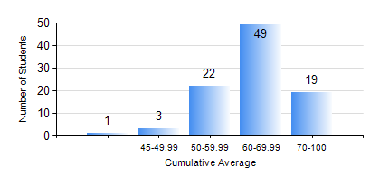
 |  |  | KWAME NKRUMAH UNIVERSITY OF SCIENCE AND TECHNOLOGY, KUMASI Department of Materials Engineering

 |  |  | BSC. MATERIALS ENG.

 |  |  | COMPREHENSIVE RECORD OF EXAMINATION RESULTS

 |  |  | RESULTS OF YEAR 4 SECOND SEMESTER, 2021/2022 ACADEMIC YEAR

 | Sn | Course Code |  | Course Name | Credit Hours | Min. Mark | Max. Mark | Avg. Mark | Std. Dev. | No. Passed | No. Trailed | No. (Df) | No. (I) | No. (I*) | No. Tagged(I,I*,Df) | Total
 | 1. | CHE 452 |  | PROCESS CONTROL/SIMULATION | 4 | 27 | 83 | 57 | 11.28 | 90 | 4 | 0 | 0 | 0 | 0 | 94
 | 2. | ME 492 |  | MANAGEMENT AND ENTREPRENEURSHIP DEVELOPMENT | 2 | 40 | 78 | 60 | 7.56 | 94 | 0 | 0 | 0 | 0 | 0 | 94
 | 3. | MSE 452 |  | WASTE MANAGEMENT | 3 | 40 | 96 | 69 | 14.11 | 94 | 0 | 0 | 0 | 0 | 0 | 94
 | 4. | MSE 454 |  | SURFACE TREATMENT OF MATERIALS | 3 | 44 | 86 | 66 | 9.11 | 94 | 0 | 0 | 0 | 0 | 0 | 94
 | 5. | MSE 456 |  | MATERIALS QUALITY CONTROL, ASSURRANCE AND SELECTION | 3 | 46 | 81 | 65 | 7.23 | 94 | 0 | 0 | 0 | 0 | 0 | 94
 | 6. | MSE 498 |  | PROJECT II | 3 | 50 | 86 | 72 | 7.01 | 94 | 0 | 0 | 0 | 0 | 0 | 94

